Sheet1
Assignment - 1 | Display output as follows. Use Inner Join . Display EmployeeID, Employee FirstName and Number Of Orders each employee has placed. Use Table : Employees and Orders.
Create Employees Table:
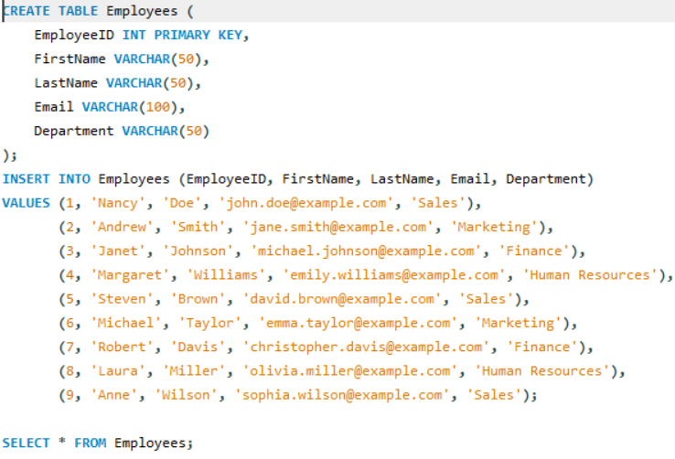

Display Employees Table:
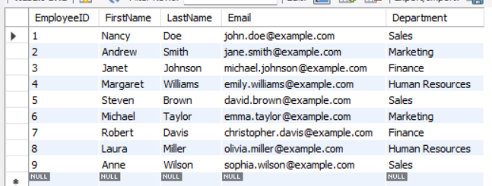

Create Orders Table:
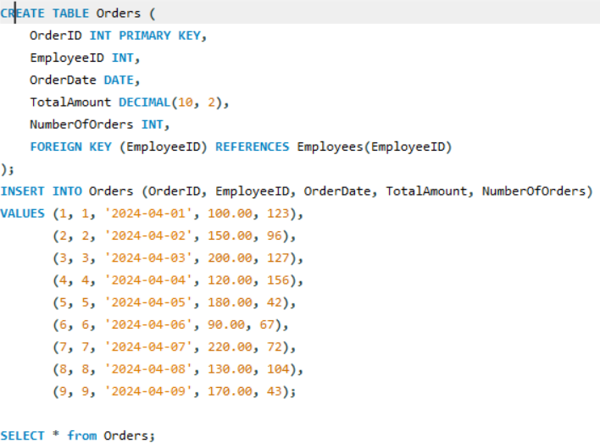

Display Orders Table:
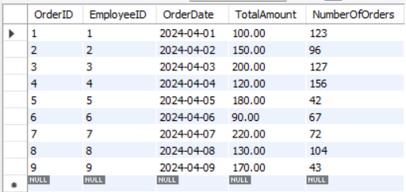

Query

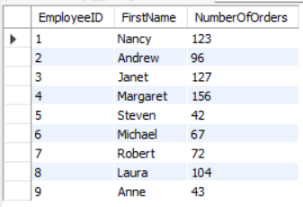
Result

Assignment - 2 | Get all the Orders shipped by Speedy Express and customers at berlin city.
 | User Table : Orders, Customers, Shippers
Create Orders table:
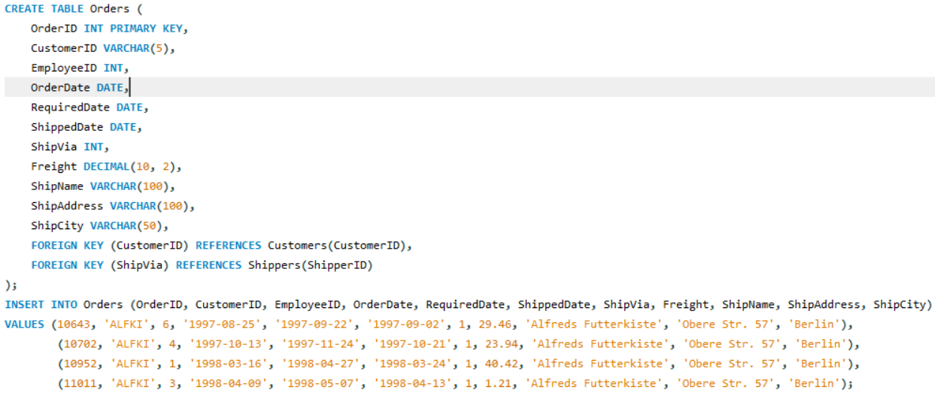

Create Customer Table:

Create Shippers Table:

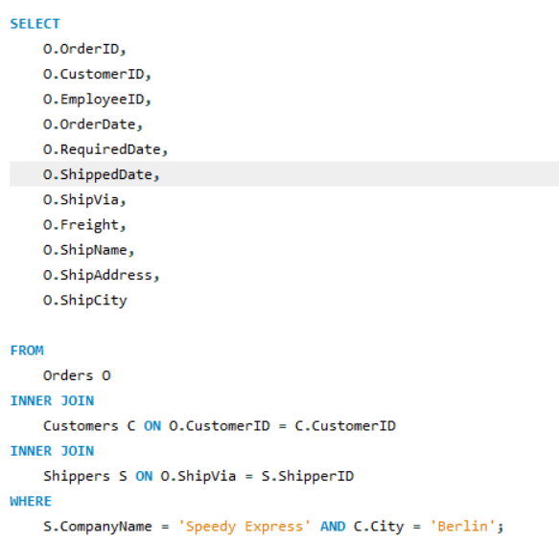
Query

Result

Assignment - 3 | Get Supplier name and display count of product for which supplier is responsible.
 | Table Use : Products, Supplier
 | Use Left Outer Join
Create Suppliers and Products Table:
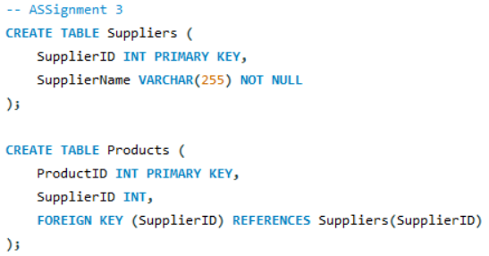

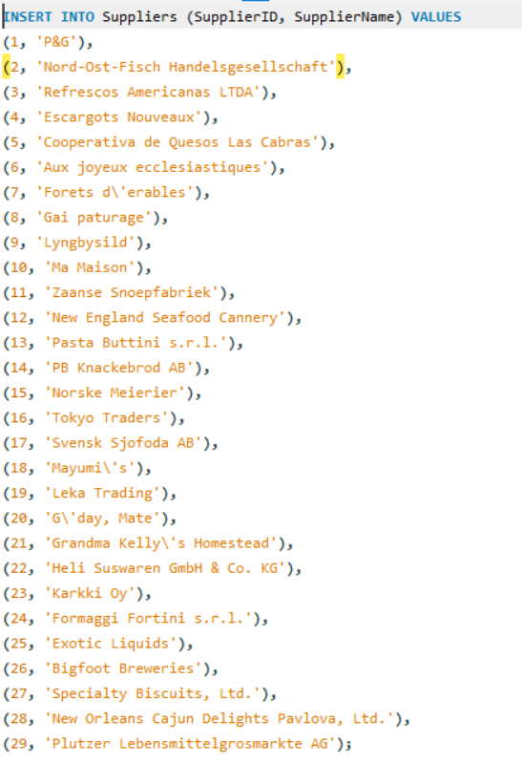

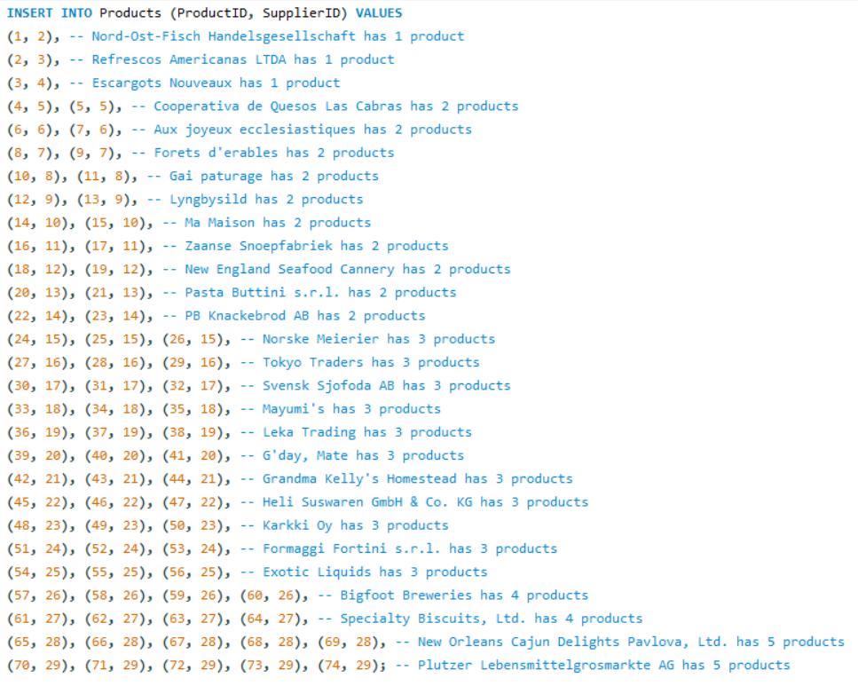

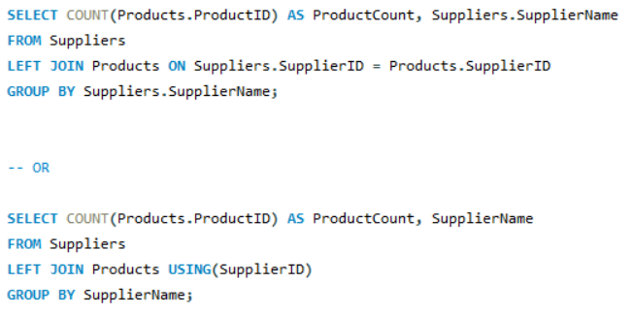
QUERY

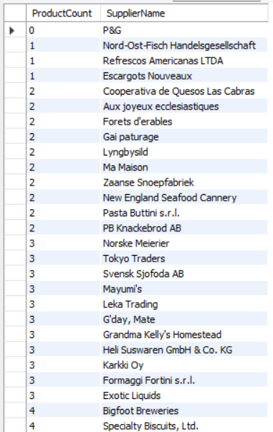
Result

Assignment - 4 | Retrieve a list of employees and Name of the person that employee is reporting.
 | Use Table : Employees
 | Self Join
Create Employees Table:
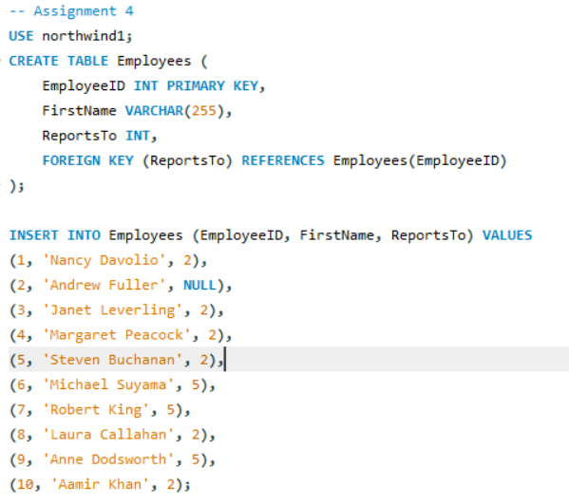

Query

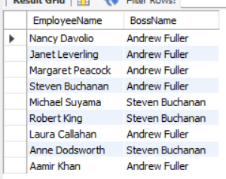
Result

